1. Title Page
[Instacart Basket Analysis]

Project Name: Instacart Basket Analysis
Date: 30/06/22
Analyst Name: Thomas Shaw

Contents:
Population Flow
Consistency checks
Wrangling steps
Column derivations
Visualizations
Recommendations

Objective:
Instacart, an online grocery store that operates through an app. Instacart already has very good sales, but they want to uncover more information about their sales patterns. My task is to perform an initial data and exploratory analysis of some of their data in order to derive insights and suggest strategies for better segmentation based on the provided criteria.

Context:
The Instacart stakeholders are most interested in the variety of customers in their database along with their purchasing behaviors. They assume they can't target everyone using the same methods, and they’re considering a targeted marketing strategy. They want to target different customers with applicable marketing campaigns to see whether they have an effect on the sale of their products. My analysis will inform what this strategy might look like to ensure Instacart targets the right customer profiles with the appropriate products.

Data Sources
● Customers Data Set
● Data Dictionary
● Citation: “The Instacart Online Grocery Shopping Dataset
2017”, Accessed from https://www.instacart.com/datasets/grocery-shopping-2017 on
<date>.
●All data used has been tasken from Instacart open-source data sets. The customer data set is fictional and used solely for the purpose of this analysis.

2. Population Flow
Title page

Population flow

Exclusion flag
Condition: max_order < 5
Obervations to be removed: 1,440,295
Final total count of order_products_all: 30,964,564

Orders_products_combined
Orders_products_merged
Orders_products_all

Total: 32,404,859
Total: 32,434,489
Total: 32,404,859

3. Consistency checks
 |  |  |  | Title page
Consistency checks

Dataset | Missing values | Missing values treatment | Duplicates
orders | "days_since_prior_order" - 206,209 values | Created flag for first time customers.
products | "product_name" - 16 values | Filtered out missing data and created new dataframe. | 5 duplicates
orders_products_prior
customers | "first_name" - 11,259 values | N/A - We could go back to try and source this data, but for the purpose of this analysis there is nothing that can be done; I will simply use the data as it is.

4. Wrangling steps
 |  |  |  | Title page
Wrangling steps

Columns dropped | Columns renamed | Columns' type changed | Comment/Reason
"eval_set" |  |  | This column is not required.
 | "order_dow" |  | Renamed to provide clarity as to what the data in the column is.
 |  | "order_id" | Changed from numeric to string as this is a unique ID.
 |  | "user_id" | Changed from numeric to string as this is a unique ID.
"Unnamed: 0" |  |  | This column is not required.
"_merge" |  |  | This column is not required.
 | "First_Name" |  | Renamed to make consistent with other columns.
 | "Last_Name" |  | Renamed to make consistent with other columns.
 | "Gender" |  | Renamed to make consistent with other columns.
 | "STATE" |  | Renamed to make consistent with other columns.
 | "Age" |  | Renamed to make consistent with other columns.
 | "n_dependants" |  | Renamed to provide clarity and make consistent with other columns.
 | "fam_status" |  | Renamed to provide clarity and make consistent with other columns.
"first_name" |  |  | Contained Personally Identifiable Information.
"last_name" |  |  | Contained Personally Identifiable Information.

5. Column derivations
 |  |  |  | Title page

Column derivations and aggregations

Dataset | New column | Column/s it was derived from | Conditions
ords_prods_merge | max_order | order_number | Max taken from order_number.
ords_prods_merge | loyalty_flag | max_order | Created 3 different groups based on customer loyalty.
ords_prods_merge | user_spending | user_id, prices | Mean price per customer.
ords_prods_merge | spending_flag | user_spending | Created two different groups based on spend of a customer.
ords_prods_merge | order_frequency | user_id, days_since_last_order | Median days since last order per customer.
ords_prods_merge | order_frequency_flag | order_frequency | Created 3 different groups based on the frequency of orders.
ords_prods_merge | price_range_loc | prices | Created 3 different groups based on the price of products.
ords_prods_merge | busiest_days | orders_day_of_week | Loop that indicates if an order is on the busiest day of the week, as per the aggregation of orders day of the week data.
ords_prods_merge | busiest_period_of_day | order_hour_of_day | Loop that indicates if an order is during the busiest hours of the day, as per the aggregation of order hour of day data.
instacart | activity_flag | max_order | Flag based on the amount of orders a customer has made.
normal_activity | region | state | US States grouped into 4 regions
normal_activity | age_profile | age | Created 3 different age groups.
normal_activity | income_profile | income | Created 3 different income groups.
normal_activity | goods_profile | department_id | Clearly defined each department of products.
normal_activity | dependants_profile | number_of_dependants | Created 3 different dependants groups.
normal_activity | customer_profile | age_profile, income_profile, dependants_profile | Profiled customers based on their age, income and dependants groups.

6. Visualisations
 |  | Title page

Visualisations

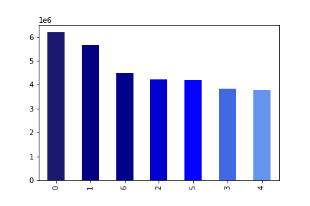

● The sales team needs to know what the busiest days of the week and hours of the day
are (i.e., the days and times with the most orders) in order to schedule ads at times
when there are fewer orders.

The top left chart displays days on the week, from Saturday (0) through to Friday (6). From this we can see that Saturday is the busiest day for orders, followed by Sunday and Friday. Tuesdays and Wednesdays are the least busy days for orders. The top right chart shows hours of the day, with hours of 0-6 being when the lowest orders occur. On the other end of the spectrum, the hours of 9-16 are when the most orders are made.

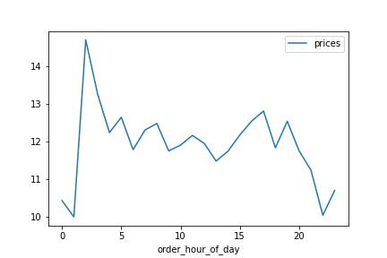
● They also want to know whether there are particular times of the day when people spend
the most money, as this might inform the type of products they advertise at these times.

There is a big spike of orders at 2am, so potentially this could be a good time to target orders. Otherwise, orders are pretty consistent between 3AM-7PM.

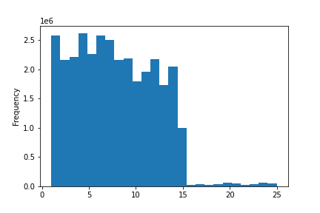
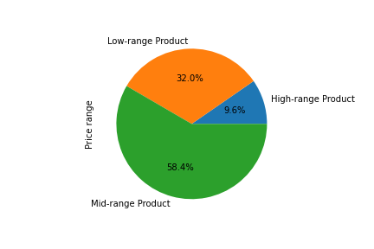
● Instacart has a lot of products with different price tags. Marketing and sales want to use
simpler price range groupings to help direct their efforts.
 | Histogram of Prices

● Are there certain types of products that are more popular than others? The marketing
and sales teams want to know which departments have the highest frequency of product
orders.
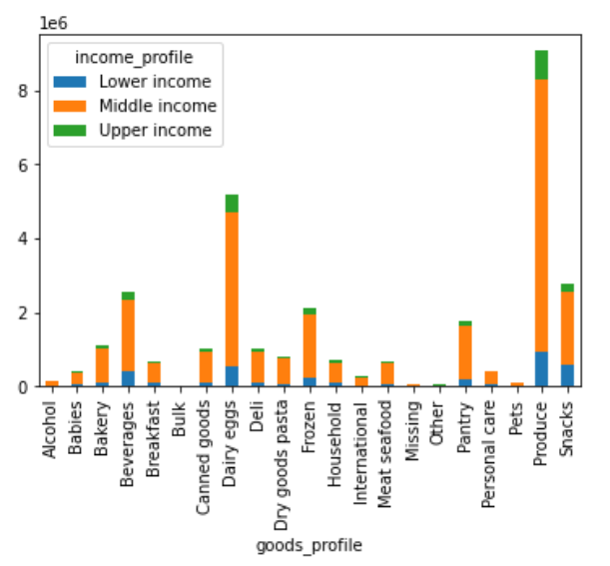

Produce is the best selling department, followed by Dairy eggs and snacks.
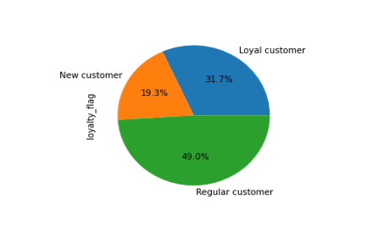
● What’s the distribution among users in regards to their brand loyalty (i.e., how
often do they return to Instacart)?

32% of customer are considered loyal customers, with over 40+ orders.

● Are there differences in ordering habits based on a customer’s loyalty status?
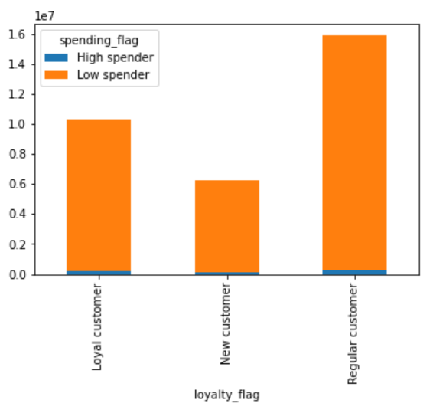

Predominently most customers, regardless of loyalty, are low spenders.

● Are there differences in ordering habits based on a customer’s region?
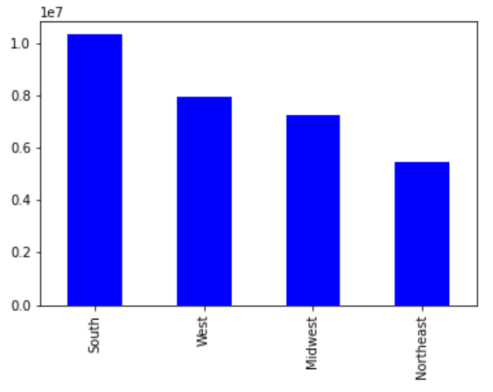

States in the South have the most customers, whilst the Northeast states have the least.

● Is there a connection between age and family status in terms of ordering habits?
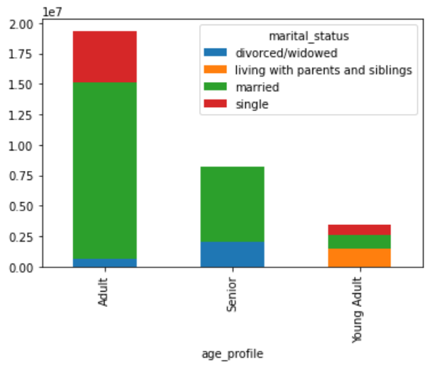

Most customers are married adults, with the least customers being single young adults.

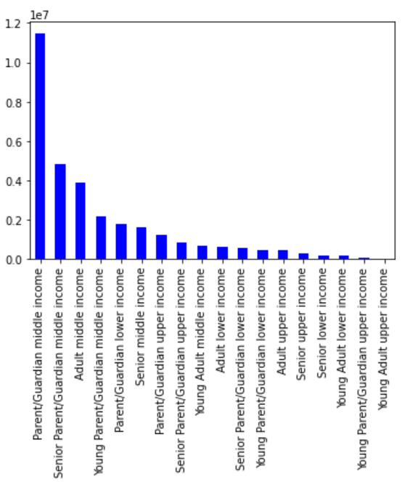
● What different classifications does the demographic information suggest? Age?
Income? Certain types of goods? Family status?

Instacart customers are made up of a majority of Parent/Guardians (aged 25-64) on a middle income. Young adults (aged 18-24) on an upper income make up the lowest portion of customers.

● What differences can you find in ordering habits of different customer profiles?
Consider the price of orders, the frequency of orders, the products customers are
ordering, and anything else you can think of.
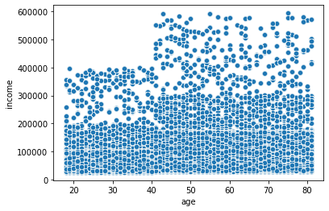

Customers aged between 20 and 40 typically have less potential spending capability through income than those aged between 40 and 80.
Regardless of income, Produce is the most popular goods department.

7. Recommendations
 |  | Title page

Recommendations

● The sales team needs to know what the busiest days of the week and hours of the day
are (i.e., the days and times with the most orders) in order to schedule ads at times
when there are fewer orders.

The top left chart displays days on the week, from Saturday (0) through to Friday (6). From this we can see that Saturday is the busiest day for orders, followed by Sunday and Friday. Tuesdays and Wednesdays are the least busy days for orders. The top right chart shows hours of the day, with hours of 0-6 being when the lowest orders occur. On the other end of the spectrum, the hours of 9-16 are when the most orders are made. Recommendation - As times with fewest orders are being targeted for adverts, I would suggest scheduling adverts on Tuesdays and Wednesdays between 12am-6am.

● They also want to know whether there are particular times of the day when people spend
the most money, as this might inform the type of products they advertise at these times.

There is a big spike of orders at 2am, so potentially this could be a good time to target specialised adverts. Otherwise, orders are pretty consistent between 3AM-7PM. Recommendation - target specialised adverts at 2am.

● Instacart has a lot of products with different price tags. Marketing and sales want to use
simpler price range groupings to help direct their efforts.
 | Histogram of Prices

Recommendation - As most products are mid range, I would recommend finding a suitable price in this bracket that most items can be sold at.

● Are there certain types of products that are more popular than others? The marketing
and sales teams want to know which departments have the highest frequency of product
orders.

Produce is the best selling department, followed by Dairy eggs and snacks. Bulk is the worst selling department.
Recommendation - There are multiple products such as bulk, pets and alcohol which hav low sells, and should be considered for additional advertising in order to increase them.

● What’s the distribution among users in regards to their brand loyalty (i.e., how
often do they return to Instacart)?

32% of customer are considered loyal customers, with over 40+ orders.
Recommendation - Introduce a loyalty rewards program. This will not only keep loyal customers have, but will incentivise new customers to keep returning.

● Are there differences in ordering habits based on a customer’s loyalty status?

Predominently most customers, regardless of loyalty, are low spenders.
Recommendation - Use special offers for spending a certain amount of money (e.g. 10% off or free delivery) to try tempt customers into spending more.

● Are there differences in ordering habits based on a customer’s region?

States in the South have the most customers, whilst the Northeast states have the least.
Recommendation - increase advertising in the Northeast states to try and gain more customers in this region.

● Is there a connection between age and family status in terms of ordering habits?

Most customers are married adults, with the least customers being single young adults.
Recommendation - Offer student discounts; this could entice more customers from our least popular demographic.

● What different classifications does the demographic information suggest? Age?
Income? Certain types of goods? Family status?

Instacart customers are made up of a majority of Parent/Guardians (aged 25-64) on a middle income. Young adults (aged 18-24) on an upper income make up the lowest portion of customers.

Recommendation - Tailor adverts to target the younger demographic.

● What differences can you find in ordering habits of different customer profiles?
Consider the price of orders, the frequency of orders, the products customers are
ordering, and anything else you can think of.

Customers aged between 20 and 40 typically have less potential spending capability through income than those aged between 40 and 80.
Regardless of income, Produce is the most popular goods department.
Recommendation - Target lower priced items to younger customers, whilst promoting higher priced items to older customers.

